Programming Admin
DIABPS Sprint 1.2 - DIABPS-36 TEST CASE SCENARIO |  | TESTER INFO
Test Case ID: | DIABPS_36#01 | Created By: | Kana Raghavan
Test Scenario: | A user with an appropriate role can create a planning line item | Created On: | 2026-08-24
User Story: | Create a Line Item, Fiscal Year Specific Fields Part 1 (Planning Module) | Reviewed By: | Jordan Helman
Story Description: | As a Programming Admin, Manpower Admin, Resource Management Lead, Programming Lead, Manpower Lead, Programming Analyst, or Manpower Analyst, I can create a line item on a scenario and associate fiscal year specific fields with the line item. | Reviewed On:
Environment: | BPS Test | Executed By: | Kana Raghavan
User Role(s): | Programming Admin for (ES/DS) Org | Executed On: | 2026-08-31
Pre-Conditions: | User able to login to Planning module and access budget scenarios successfully as Programming Admin who is assigned to specific Org
Acceptance Criteria | Acceptance Criteria: The user will be able to create a line item The created line item will be for the fiscal year of the scenario that the line item is associated with The user will be able to complete the information for the line item (fields with an asterisk ( * ) indicate required fields): Resource Identifier Code* Text field, 25 character limit Budgeted Amount* Integer field Entered as thousands Formatted as currency Must be greater than $0 Tooltip: This amount is displayed in thousands Expected Commitment Date Date field Inputted date must correspond to a fiscal year that is greater than or equal to the fiscal year of the scenario that the line item is being associated with Requirement Picker field with a maximum selection of 1 requirement The options available for selection will be limited to requirements that are associated with the same organization that the budget this line item is being created on is associated with The system will record the user who performed the action and the date and time it was performed. General Notes: Outyears Example FY 2026 = Current Year (execution) FY 2027 = Budget Year FY 2028 = Out Year 1 FY 2029 = Out Year 2 FY 2030 = Out Year 3 FY 2031 = Out Year 4 FY 2032 = Out Year 5

Step Number | Step Description | Input Data | Expected Results | Pass/Fail
STEP 1 | Log in as a user with Programming Admin credential. User should be assigned to a specific Org (ES/DS). https://ams-test.appiancloud.us/suite/ | Username: | User able to login successfully | Pass
STEP 2 | Click on BPS Planning module on top right dropdown to launch Planning module | N/A | User able to click on dropdown and able to launch Planning module | Pass
STEP 3 | Click on Budget Tab and click on Scenarios | N/A | User able to click on budgets and scenarios. Scenarios will be displayed. Scenarios are auto-generated | Pass
STEP 4 | Click on Line items tab and click on "All FY Line items" | N/A | All FY line items table is displayed "+ Add FY line item option" is visible for user to select. | Pass
STEP 5 | Select Formulation scenario and corresponding FY Budget Scenario and click on Add FY line item option | N/A | User able to click on the option and Add FY line item window is displayed | Pass
STEP 6 | User select Type, Title Description | Type - Select from dropdown Title- Test Description- Test | User able to enter Type,Title,Description FY item detail section is displayed with FY fields | Pass
STEP 7 | User updates below FY line items fields Resource Identifier Code* Text field, 25 character limit Budgeted Amount* Expected Commitment Date Date field Inputted date must correspond to a fiscal year that is greater than or equal to the fiscal year of the scenario that the line item is being associated with Requirement Picker field with a maximum selection of 1 requirement The options available for selection will be limited to requirements that are associated with the same organization that the budget this line item is being created on is associated with | RIC- Test RIC CODE_KR Amount-$100 01/08/2028- Date should be greater than or equal to the FY Requirement- Picker Field with 1 req from the same org | User able to update FY line items successfully | Pass
STEP 8 | Newly added line item is added and displayed in Programming Summary and All FY line items view | N/A | User able to see new line item added to summary section successfully | Pass

Evidences | Login as ES Programming Admin

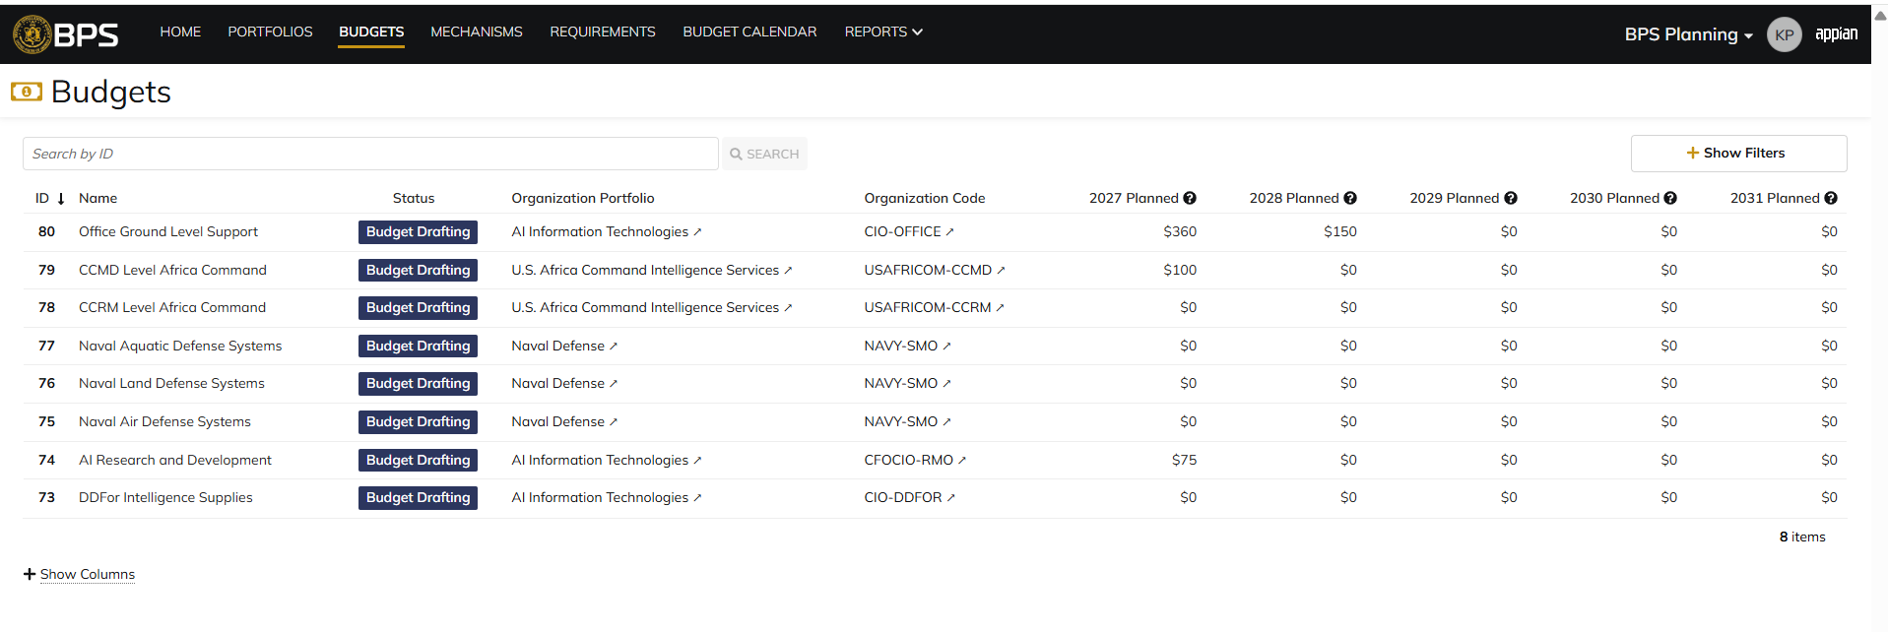

 | Adding FY line items from Scenarios

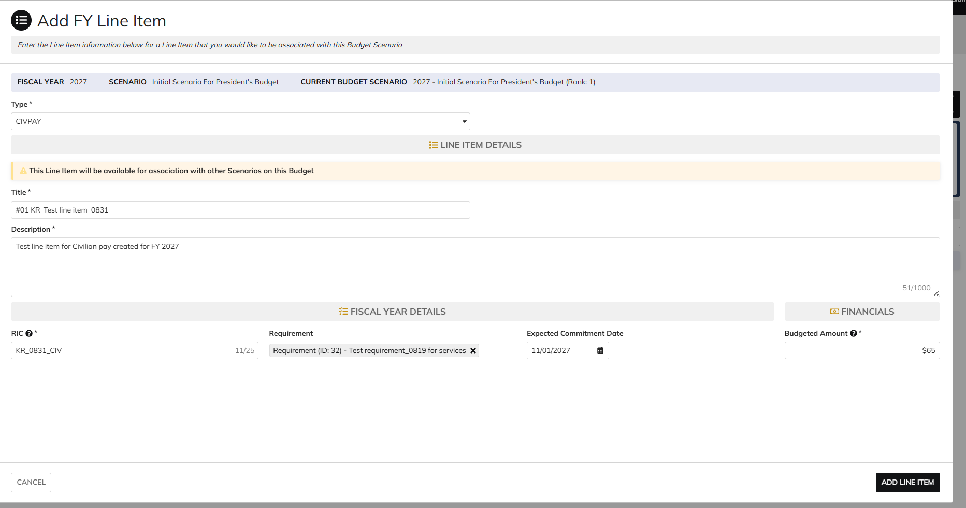

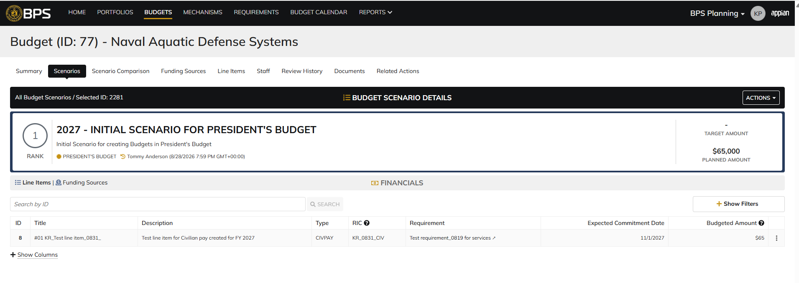

 | Login as DS Programming Admin

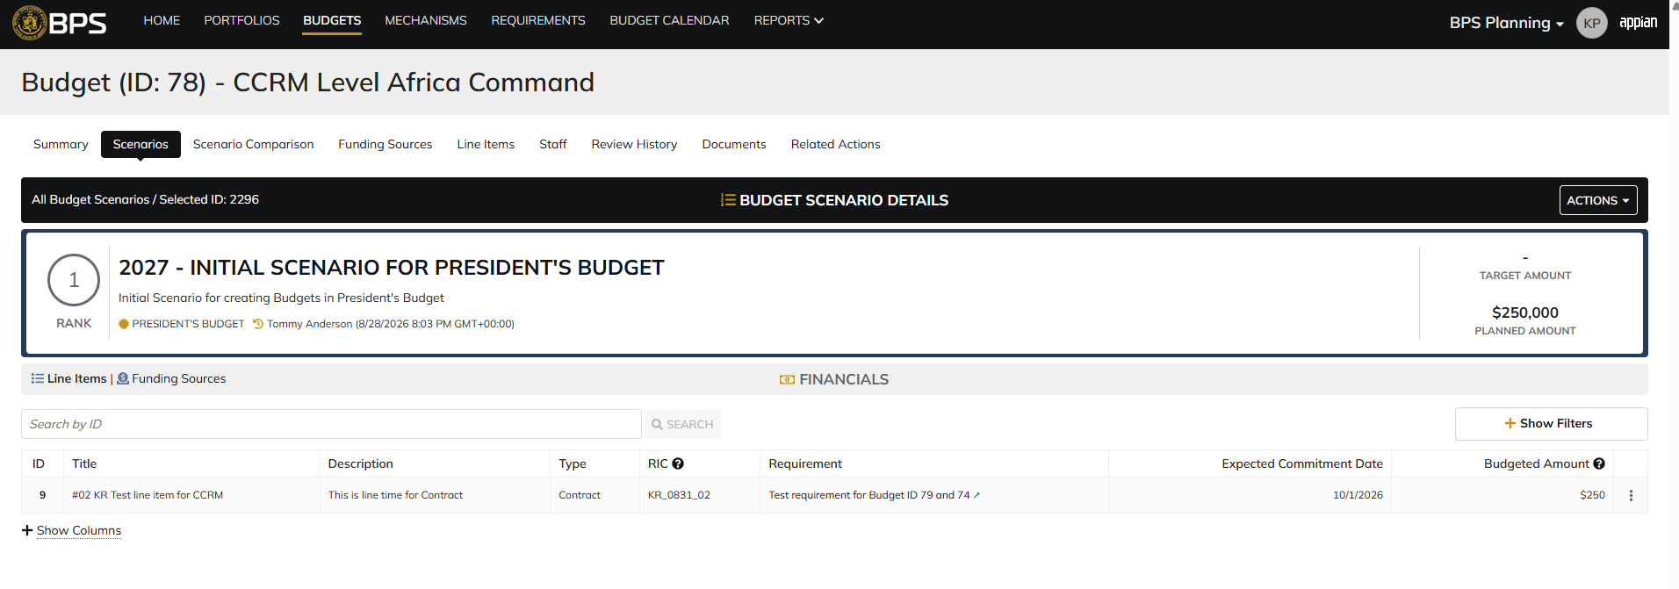

 | Add FY items from Line items tab

 | Expected Commitment Date- Negative Scenarios

Manpower Admin
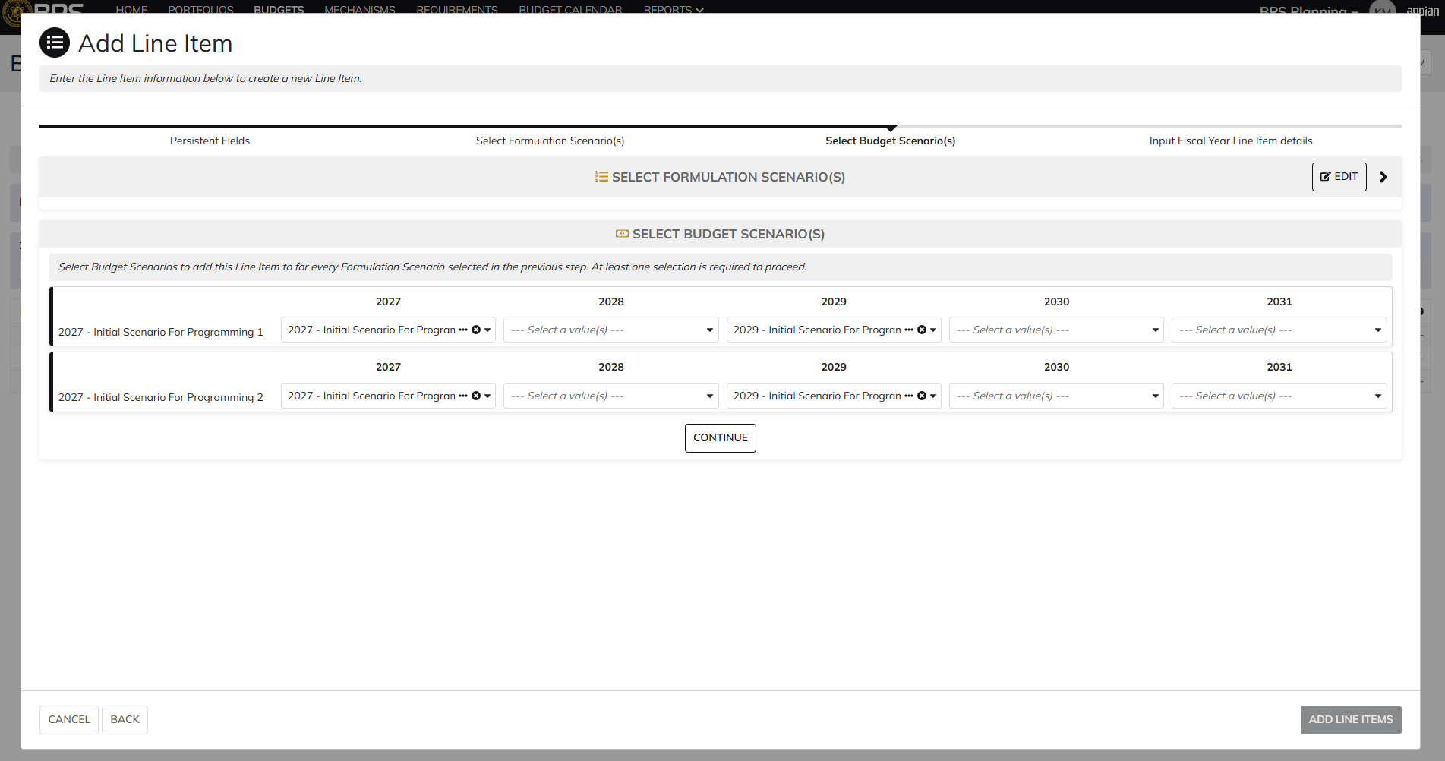
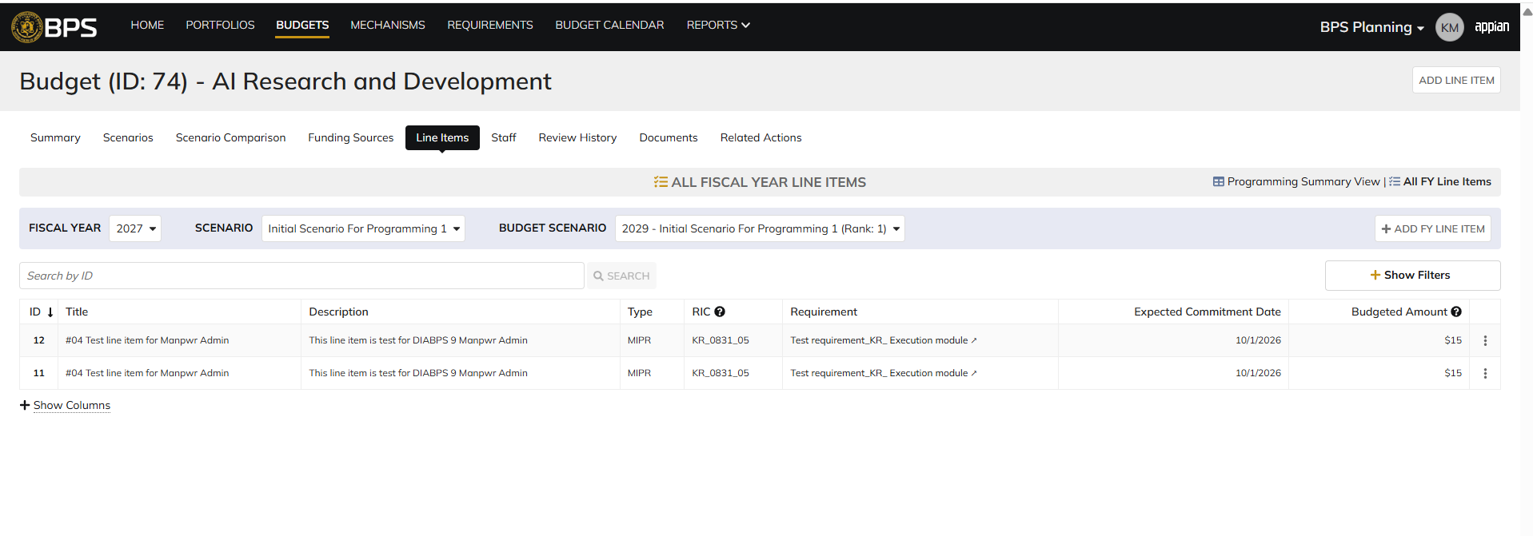
DIABPS Sprint 1.2 - DIABPS-36 TEST CASE SCENARIO |  | TESTER INFO
Test Case ID: | DIABPS_36#02 | Created By: | Kana Raghavan
Test Scenario: | A user with an appropriate role can create a planning item | Created On: | 2026-08-24
User Story: | Create a Planning Line Item, Fiscal Year Specific Fields Part 1 (Planning Module) | Reviewed By: | Jordan Helman
Story Description: | As a Programming Admin, Manpower Admin, Resource Management Lead, Programming Lead, Manpower Lead, Programming Analyst, or Manpower Analyst, I can create a planning line item on a scenario and associate fiscal year specific fields with the line item. | Reviewed On:
Environment: | BPS Test | Executed By: | Kana Raghavan
User Role(s): | Manpower Admin (DS Org) | Executed On: | 2026-08-31
Pre-Conditions: | User able to login to Planning module successfully as Manpower Admin who is assigned to specific Org
Acceptance Criteria | Acceptance Criteria: The user will be able to create a line item The created line item will be for the fiscal year of the scenario that the line item is associated with The user will be able to complete the information for the line item (fields with an asterisk ( * ) indicate required fields): Resource Identifier Code* Text field, 25 character limit Budgeted Amount* Integer field Entered as thousands Formatted as currency Must be greater than $0 Tooltip: This amount is displayed in thousands Expected Commitment Date Date field Inputted date must correspond to a fiscal year that is greater than or equal to the fiscal year of the scenario that the line item is being associated with Requirement Picker field with a maximum selection of 1 requirement The options available for selection will be limited to requirements that are associated with the same organization that the budget this line item is being created on is associated with The system will record the user who performed the action and the date and time it was performed. General Notes: Outyears Example FY 2026 = Current Year (execution) FY 2027 = Budget Year FY 2028 = Out Year 1 FY 2029 = Out Year 2 FY 2030 = Out Year 3 FY 2031 = Out Year 4 FY 2032 = Out Year 5

Step Number | Step Description | Input Data | Expected Results | Pass/Fail
STEP 1 | Log in as a user with Manpower Admin credential. User should be assigned to a specific Org (ES/DS). https://ams-test.appiancloud.us/suite/ | Username: | User able to login successfully | Pass
STEP 2 | Click on BPS Planning module on top right dropdown to launch Planning module | N/A | User able to click on dropdown and able to launch Planning module | Pass
STEP 3 | Click on Budget Tab and click on Scenarios | N/A | User able to click on budgets and scenarios. Scenarios will be displayed. Scenarios are auto-generated | Pass
STEP 4 | Click on Line items tab and click on "All FY Line items" | N/A | All FY line items table is displayed "+ Add FY line item option" is visible for user to select. | Pass
STEP 5 | Select Formulation scenario and corresponding FY Budget Scenario and click on Add FY line item option | N/A | User able to click on the option and Add FY line item window is displayed | Pass
STEP 6 | User select Type, Title Description | Type - Select from dropdown Title- Test Description- Test | User able to enter Type,Title,Description FY item detail section is displayed with FY fields | Pass
STEP 7 | User updates below FY line items fields Resource Identifier Code* Text field, 25 character limit Budgeted Amount* Expected Commitment Date Date field Inputted date must correspond to a fiscal year that is greater than or equal to the fiscal year of the scenario that the line item is being associated with Requirement Picker field with a maximum selection of 1 requirement The options available for selection will be limited to requirements that are associated with the same organization that the budget this line item is being created on is associated with | RIC- Test RIC CODE_KR Amount-$100 01/08/2028- Date should be greater than or equal to the FY Requirement- Picker Field with 1 req from the same org | User able to update FY line items successfully | Pass
STEP 8 | Newly added line item is added and displayed in Programming Summary and All FY line items view | N/A | User able to see new line item added to summary section successfully | Pass

Evidences | Login as Manpower Admin- CFCIO RMO

 | Select 2029 Planned for Programming 1- CFCIO RMO

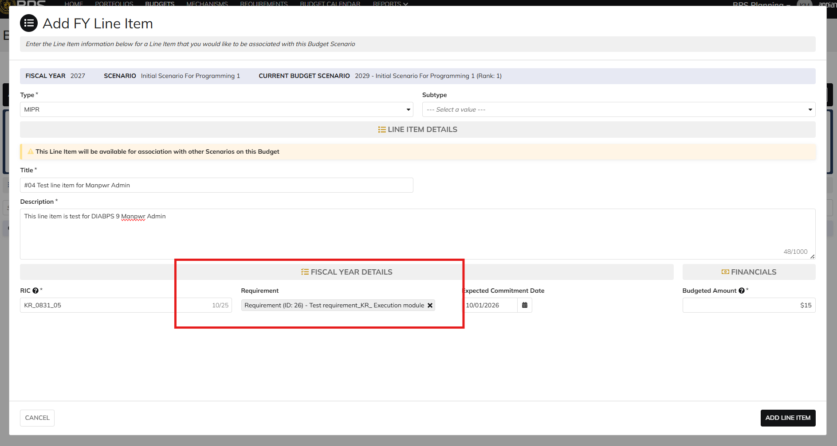

 | Adding from Line Items Tab- Bulk

Resource Management lead
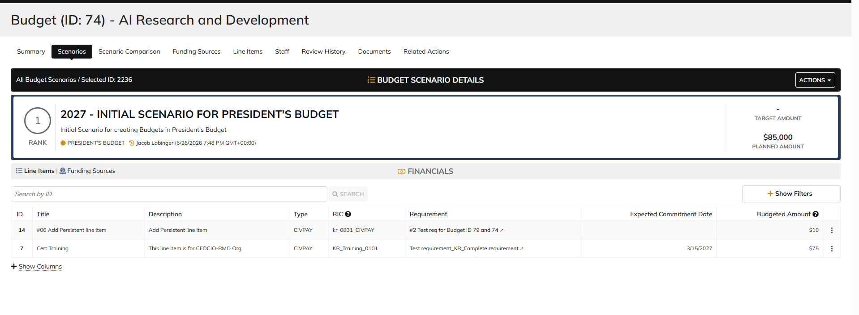
DIABPS Sprint 1.2 - DIABPS-36 TEST CASE SCENARIO |  | TESTER INFO
Test Case ID: | DIABPS_36#03 | Created By: | Kana Raghavan
Test Scenario: | A user with an appropriate role can create a planning item | Created On: | 2026-08-24
User Story: | Create a Planning Line Item, Fiscal Year Specific Fields Part 1 (Planning Module) | Reviewed By: | Jordan Helman
Story Description: | As a Programming Admin, Manpower Admin, Resource Management Lead, Programming Lead, Manpower Lead, Programming Analyst, or Manpower Analyst, I can create a planning line item on a scenario and associate fiscal year specific fields with the line item. | Reviewed On:
Environment: | BPS Test | Executed By: | Kana Raghavan
User Role(s): | Resource Management Lead (RMO/Services) | Executed On: | 2026-08-31
Pre-Conditions: | User able to login to Planning module successfully as Resource Mgmt Lead who is assigned to specific Org
Acceptance Criteria | Acceptance Criteria: The user will be able to create a line item The created line item will be for the fiscal year of the scenario that the line item is associated with The user will be able to complete the information for the line item (fields with an asterisk ( * ) indicate required fields): Resource Identifier Code* Text field, 25 character limit Budgeted Amount* Integer field Entered as thousands Formatted as currency Must be greater than $0 Tooltip: This amount is displayed in thousands Expected Commitment Date Date field Inputted date must correspond to a fiscal year that is greater than or equal to the fiscal year of the scenario that the line item is being associated with Requirement Picker field with a maximum selection of 1 requirement The options available for selection will be limited to requirements that are associated with the same organization that the budget this line item is being created on is associated with The system will record the user who performed the action and the date and time it was performed. General Notes: Outyears Example FY 2026 = Current Year (execution) FY 2027 = Budget Year FY 2028 = Out Year 1 FY 2029 = Out Year 2 FY 2030 = Out Year 3 FY 2031 = Out Year 4 FY 2032 = Out Year 5

Step Number | Step Description | Input Data | Expected Results | Pass/Fail
STEP 1 | Log in as a user with Resource Management lead credential. User should be assigned to a specific Org (ES/DS). https://ams-test.appiancloud.us/suite/ | Username: | User able to login successfully | Pass
STEP 2 | Click on BPS Planning module on top right dropdown to launch Planning module | N/A | User able to click on dropdown and able to launch Planning module | Pass
STEP 3 | Click on Budget Tab and click on Scenarios | N/A | User able to click on budgets and scenarios. Scenarios will be displayed. Scenarios are auto-generated | Pass
STEP 4 | Click on Line items tab and click on "All FY Line items" | N/A | All FY line items table is displayed "+ Add FY line item option" is visible for user to select. | Pass
STEP 5 | Select Formulation scenario and corresponding FY Budget Scenario and click on Add FY line item option | N/A | User able to click on the option and Add FY line item window is displayed | Pass
STEP 6 | User select Type, Title Description | Type - Select from dropdown Title- Test Description- Test | User able to enter Type,Title,Description FY item detail section is displayed with FY fields | Pass
STEP 7 | User updates below FY line items fields Resource Identifier Code* Text field, 25 character limit Budgeted Amount* Expected Commitment Date Date field Inputted date must correspond to a fiscal year that is greater than or equal to the fiscal year of the scenario that the line item is being associated with Requirement Picker field with a maximum selection of 1 requirement The options available for selection will be limited to requirements that are associated with the same organization that the budget this line item is being created on is associated with | RIC- Test RIC CODE_KR Amount-$100 01/08/2028- Date should be greater than or equal to the FY Requirement- Picker Field with 1 req from the same org | User able to update FY line items successfully | Pass
STEP 8 | Newly added line item is added and displayed in Programming Summary and All FY line items view | N/A | User able to see new line item added to summary section successfully | Pass

Evidences | Login as CCRM Resource Mgmt lead-USAFRICOM CCMD

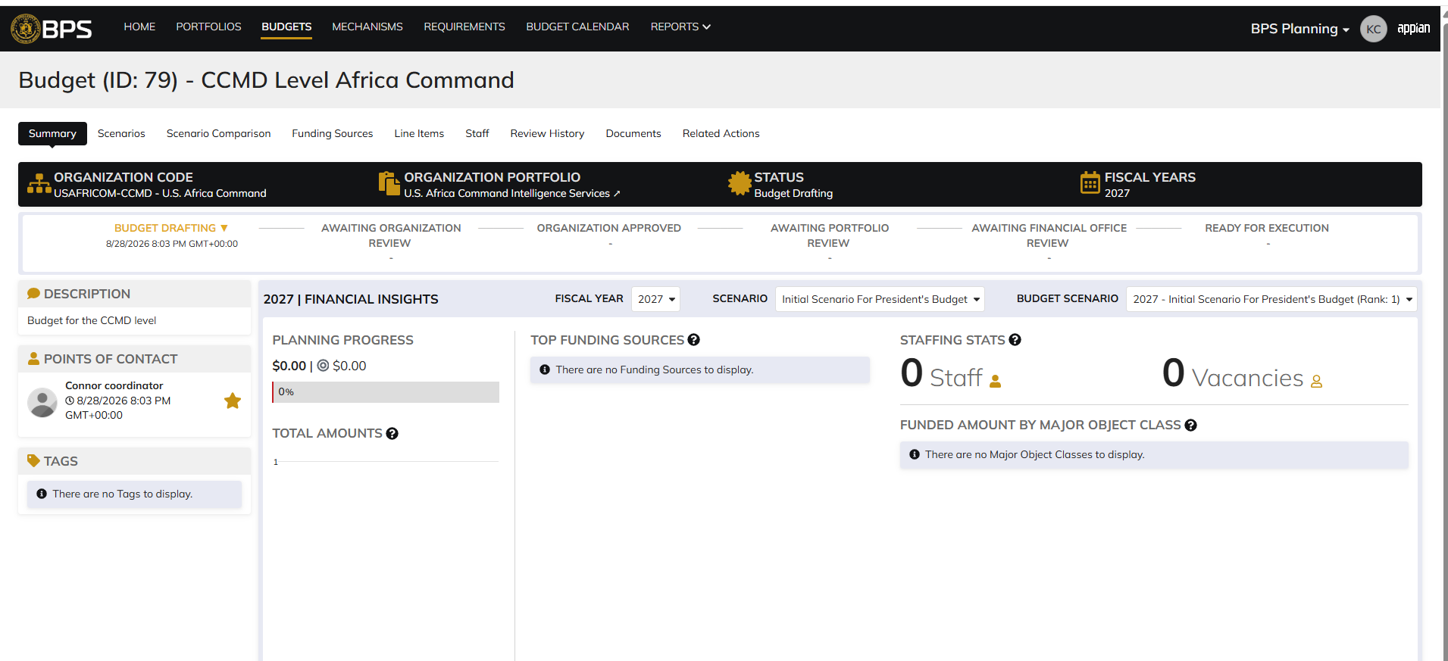

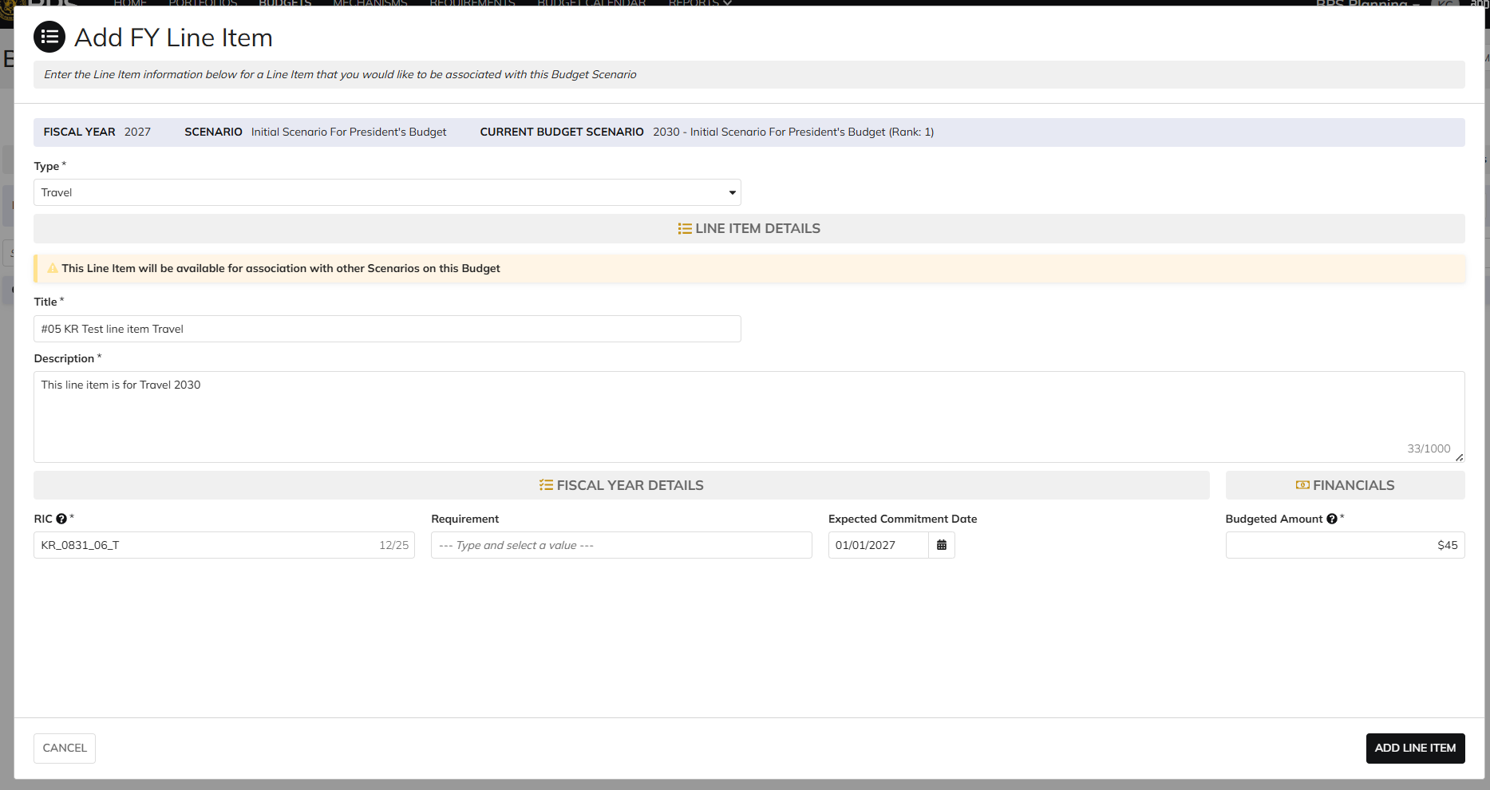

 | Login as CIO Resource Mgmt Lead

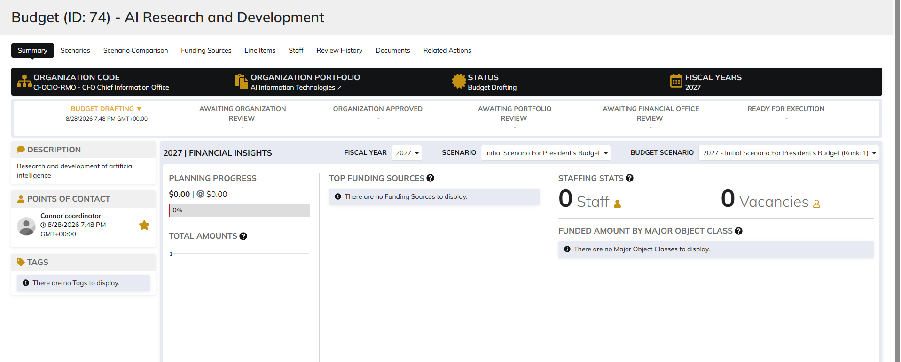

 | Click on Actions dropdown to add line item

Programming lead
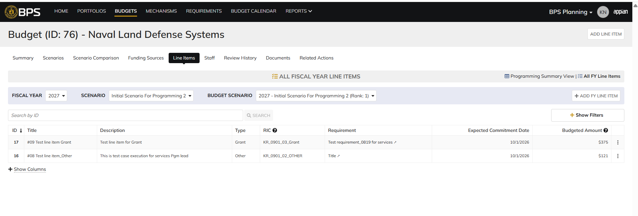

DIABPS Sprint 1.2 - DIABPS-36 TEST CASE SCENARIO |  | TESTER INFO
Test Case ID: | DIABPS_36#04 | Created By: | Kana Raghavan
Test Scenario: | A user with an appropriate role can create a planning item | Created On: | 2026-08-24
User Story: | Create a Planning Line Item, Fiscal Year Specific Fields Part 1 (Planning Module) | Reviewed By: | Jordan Helman
Story Description: | As a Programming Admin, Manpower Admin, Resource Management Lead, Programming Lead, Manpower Lead, Programming Analyst, or Manpower Analyst, I can create a planning line item on a scenario and associate fiscal year specific fields with the line item. | Reviewed On:
Environment: | BPS Test | Executed By: | Kana Raghavan
User Role(s): | Programming lead for (RMO/Services) Org | Executed On: | 2026-08-31
Pre-Conditions: | User able to login to Planning module successfully as Programming lead who is assigned to specific Org
Acceptance Criteria | Acceptance Criteria: The user will be able to create a line item The created line item will be for the fiscal year of the scenario that the line item is associated with The user will be able to complete the information for the line item (fields with an asterisk ( * ) indicate required fields): Resource Identifier Code* Text field, 25 character limit Budgeted Amount* Integer field Entered as thousands Formatted as currency Must be greater than $0 Tooltip: This amount is displayed in thousands Expected Commitment Date Date field Inputted date must correspond to a fiscal year that is greater than or equal to the fiscal year of the scenario that the line item is being associated with Requirement Picker field with a maximum selection of 1 requirement The options available for selection will be limited to requirements that are associated with the same organization that the budget this line item is being created on is associated with The system will record the user who performed the action and the date and time it was performed. General Notes: Outyears Example FY 2026 = Current Year (execution) FY 2027 = Budget Year FY 2028 = Out Year 1 FY 2029 = Out Year 2 FY 2030 = Out Year 3 FY 2031 = Out Year 4 FY 2032 = Out Year 5

Step Number | Step Description | Input Data | Expected Results | Pass/Fail
STEP 1 | Log in as a user with Programming lead credential. User should be assigned to a specific Org (ES/DS). https://ams-test.appiancloud.us/suite/ | Username: | User able to login successfully | Pass
STEP 2 | Click on BPS Planning module on top right dropdown to launch Planning module | N/A | User able to click on dropdown and able to launch Planning module | Pass
STEP 3 | Click on Budget Tab and click on Scenarios | N/A | User able to click on budgets and scenarios. Scenarios will be displayed. Scenarios are auto-generated | Pass
STEP 4 | Click on Line items tab and click on "All FY Line items" | N/A | All FY line items table is displayed "+ Add FY line item option" is visible for user to select. | Pass
STEP 5 | Select Formulation scenario and corresponding FY Budget Scenario and click on Add FY line item option | N/A | User able to click on the option and Add FY line item window is displayed | Pass
STEP 6 | User select Type, Title Description | Type - Select from dropdown Title- Test Description- Test | User able to enter Type,Title,Description FY item detail section is displayed with FY fields | Pass
STEP 7 | User updates below FY line items fields Resource Identifier Code* Text field, 25 character limit Budgeted Amount* Expected Commitment Date Date field Inputted date must correspond to a fiscal year that is greater than or equal to the fiscal year of the scenario that the line item is being associated with Requirement Picker field with a maximum selection of 1 requirement The options available for selection will be limited to requirements that are associated with the same organization that the budget this line item is being created on is associated with | RIC- Test RIC CODE_KR Amount-$100 01/08/2028- Date should be greater than or equal to the FY Requirement- Picker Field with 1 req from the same org | User able to update FY line items successfully | Pass
STEP 8 | Newly added line item is added and displayed in Programming Summary and All FY line items view | N/A | User able to see new line item added to summary section successfully | Pass

Evidences
 | Login as CFOCIO Programming lead

 | Login as SMO Navy Pgm lead

